Residuals
Scatter Plot of Data
 | yi
0 | 212
1 | 190
2 | 180
3
4 | 172
5
6 | 149
7 | 140
8
9 | 136
10
11 | 115
12
13
14 | 80
15 | 79
16
17
18 | 50
19
20 | 45
21 | 30
22
23 | 19
24
25 | 2
Residual Plot
0 | 10.64
1 | -3.28
2 | -5.21
3
4 | 2.95
5
6 | -3.90
7 | -4.83
8
9 | 7.33
10
11 | 2.48
12
13
14 | -8.29
15 | -1.21
16
17
18 | -5.98
19
20 | 5.17
21 | -1.76
22
23 | 3.40
24
25 | 2.55
Values From Excel | b = | 201.36
 | m = | -8.0764
Explanatory Variable | Response Variable
 | observed | expected
x | yi | ŷ | residuals | (residuals)2 | (yi - ȳ )2 | x | residuals
0 | 212 | 201.36 | 10.64 | 113.21 | 11109.16 | 0 | 10.64
1 | 190 | 193.28 | -3.28 | 10.78 | 6955.56 | 1 | -3.28
2 | 180 | 185.21 | -5.21 | 27.11 | 5387.56 | 2 | -5.21
3 |  | 177.13 |  |  |  | 3
4 | 172 | 169.05 | 2.95 | 8.68 | 4277.16 | 4 | 2.95
5 |  | 160.98 |  |  |  | 5
6 | 149 | 152.90 | -3.90 | 15.22 | 1797.76 | 6 | -3.90
7 | 140 | 144.83 | -4.83 | 23.28 | 1115.56 | 7 | -4.83
8 |  | 136.75 |  |  |  | 8
9 | 136 | 128.67 | 7.33 | 53.69 | 864.36 | 9 | 7.33
10 |  | 120.60 |  |  |  | 10
11 | 115 | 112.52 | 2.48 | 6.15 | 70.56 | 11 | 2.48
12 |  | 104.44 |  |  |  | 12
13 |  | 96.37 |  |  |  | 13
14 | 80 | 88.29 | -8.29 | 68.73 | 707.56 | 14 | -8.29
15 | 79 | 80.21 | -1.21 | 1.47 | 761.76 | 15 | -1.21
16 |  | 72.14 |  |  |  | 16
17 |  | 64.06 |  |  |  | 17
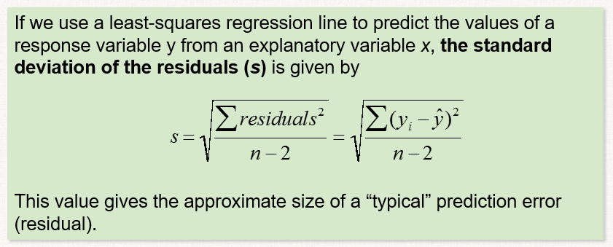
18 | 50 | 55.98 | -5.98 | 35.82 | 3203.56 | 18 | -5.98
19 |  | 47.91 |  |  |  | 19
20 | 45 | 39.83 | 5.17 | 26.71 | 3794.56 | 20 | 5.17
21 | 30 | 31.76 | -1.76 | 3.08 | 5867.56 | 21 | -1.76
22 |  | 23.68 |  |  |  | 22
23 | 19 | 15.60 | 3.40 | 11.54 | 7673.76 | 23 | 3.40
24 |  | 7.53 |  |  |  | 24
25 | 2 | -0.55 | 2.55 | 6.50 | 10941.16 | 25 | 2.55
ȳ = | 106.6 | n = | 15.00 | 411.99 | 64527.60
ȳ = | 106.6 |  | s = | 5.63
 |  |  | r2 = | 0.9936

Regression
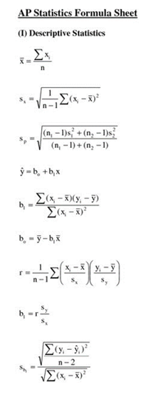
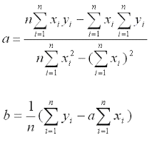
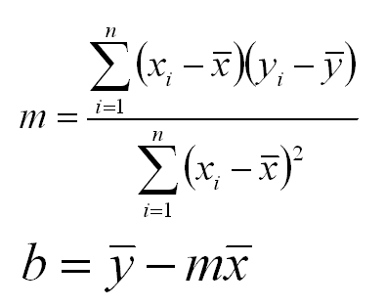
Other formulas
 | From Excel | b = | 201.36
 |  | m = | -8.0764
 | Explanatory Variable | Response Variable
 |  | observed
 | x | y | x - xbar | (x-xbar)2 | y - ybar | product
 | 0 | 212 | -11.73 | 137.67 | 105.40 | -1236.6933333
 | 1 | 190 | -10.73 | 115.20 | 83.40 | -895.16
 | 2 | 180 | -9.73 | 94.74 | 73.40 | -714.42666667
 | 4 | 172 | -7.73 | 59.80 | 65.40 | -505.76
 | 6 | 149 | -5.73 | 32.87 | 42.40 | -243.09333333
 | 7 | 140 | -4.73 | 22.40 | 33.40 | -158.09333333
 | 9 | 136 | -2.73 | 7.47 | 29.40 | -80.36
 | 11 | 115 | -0.73 | 0.54 | 8.40 | -6.16
 | 14 | 80 | 2.27 | 5.14 | -26.60 | -60.293333333
 | 15 | 79 | 3.27 | 10.67 | -27.60 | -90.16
 | 18 | 50 | 6.27 | 39.27 | -56.60 | -354.69333333
 | 20 | 45 | 8.27 | 68.34 | -61.60 | -509.22666667
 | 21 | 30 | 9.27 | 85.87 | -76.60 | -709.82666667
 | 23 | 19 | 11.27 | 126.94 | -87.60 | -986.96
 | 25 | 2 | 13.27 | 176.00 | -104.60 | -1387.6933333
n = | 15 | 15 |  | 982.93 | sums | -7938.6
mu = | 11.73 | 106.60 |  | b1 = | -8.076437873
s = | 8.38 | 67.89 |  | b0 = | 201.36353771

AP Formulas +
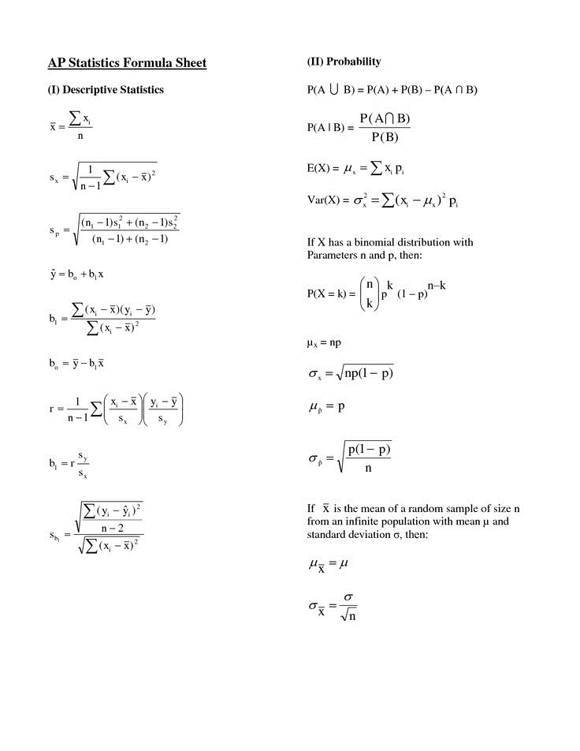
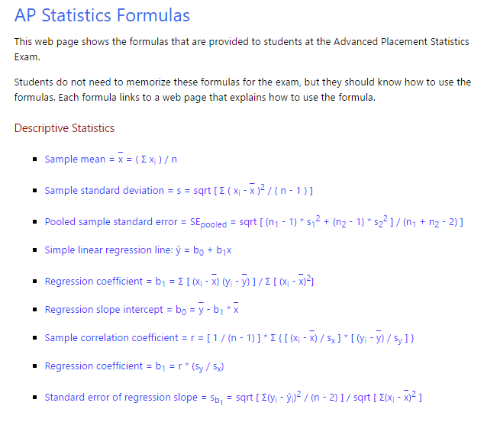

Problem 1
Using the data, provide a scatter plot with an Excel derived linear regression line. Calculate the coefficient of determination, standard deviation of the residuals, b₀ and b₁. Confirm Excel generated the correct line of best fit. Include a brief conclusion of the motorcycle's air friction vs. velocity.
Measured Air Friction on a 2008 Yamaha FRJ Motorcycle (excludes rolling friction)

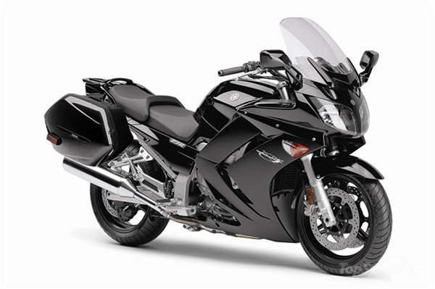
Explanatory | Response (observed)
Velocity (m/s) | Air Friction (N)
0 | 0.0
10 | 5.6
20
30 | 19.6
40 | 25.3
50 | 35.2
60 | 45.0
70
80 | 59.1
90 | 64.0
100 | 78.1
110
120 | 86.2
130 | 96.1
140 | 110.6

