Regression 2
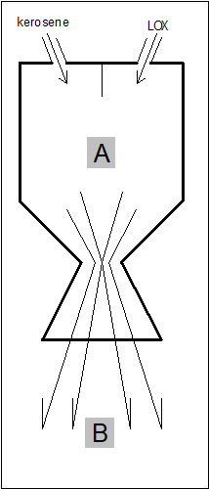
A - Temp (deg C) | B - Gas Velocity (m/s)

400 | 72.8
450 | 132.1
500 | 144.5
550
600 | 162.0
650 | 167.3
700 | 164.0
750 | 178.1
800
850 | 191.0
900 | 191.5
950 | 184.4
1000 | 187.8
1050 | 194.1
1100
1150 | 200.6
1200 | 207.6
1250 | 194.5
1300 | 210.3
1350 | 211.7
1400
1450
1500 | 212.9
1550 | 210.4
1600
1650
1700

Regesssion 3
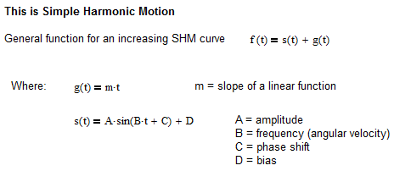
Year | Month Name | Month | Sales - Pair (1,000)
2015 | Jan | 1 | 1.38
 | Feb | 2 | 1.56
 | Mar | 3 | 1.65
 | Apr | 4
 | May | 5
 | Jun | 6 | 1.39
 | Jul | 7 | 1.21
 | Aug | 8 | 1.30
 | Sep | 9 | 0.99
 | Oct | 10 | 0.50
 | Nov | 11 | 1.11
 | Dec | 12 | 1.31
2016 | Jan | 13 | 1.57
 | Feb | 14
 | Mar | 15 | 2.09
 | Apr | 16 | 2.26
 | May | 17
 | Jun | 18
 | Jul | 19 | 2.23
 | Aug | 20 | 2.08
 | Sep | 21 | 1.80
 | Oct | 22 | 1.76
 | Nov | 23
 | Dec | 24 | 1.50
2017 | Jan | 25 | 1.82
 | Feb | 26 | 2.02
 | Mar | 27 | 2.50
 | Apr | 28 | 2.55
 | May | 29 | 2.79
 | Jun | 30 | 2.97
 | Jul | 31
 | Aug | 32 | 3.10
 | Sep | 33 | 2.93
 | Oct | 34 | 2.77
 | Nov | 35
 | Dec | 36
2018 | Jan | 37
 | Feb | 38
 | Mar | 39
 | Apr | 40
 | May | 41
 | Jun | 42
 | Jul | 43
 | Aug | 44
 | Sep | 45
 | Oct | 46
 | Nov | 47
 | Dec | 48

