Example 1 - Page 751
Downloaded from https://en.wikipedia.org/wiki/Pearson_correlation_coefficient: In statistics, the Pearson correlation coefficient (PCC, pronounced /ˈpɪərsən/), also referred to as the Pearson's r or Pearson product-moment correlation coefficient (PPMCC), is a measure of the linear correlation between two variables X and Y. It has a value between +1 and −1, where 1 is total positive linear correlation, 0 is no linear correlation, and −1 is total negative linear correlation. It is widely used in the sciences. It was developed by Karl Pearson from a related idea introduced by Francis Galton in the 1880s.^{[1][2][3]}
n | X - Number of Tutoring Sessions | Y - Exam Grade (out of 50) | x2 | y2 | x*y
1 | 18 | 42 | 324 | 1764 | 756
2 | 6 | 31 | 36 | 961 | 186
3 | 16 | 46 | 256 | 2116 | 736
4 | 14 | 41 | 196 | 1681 | 574
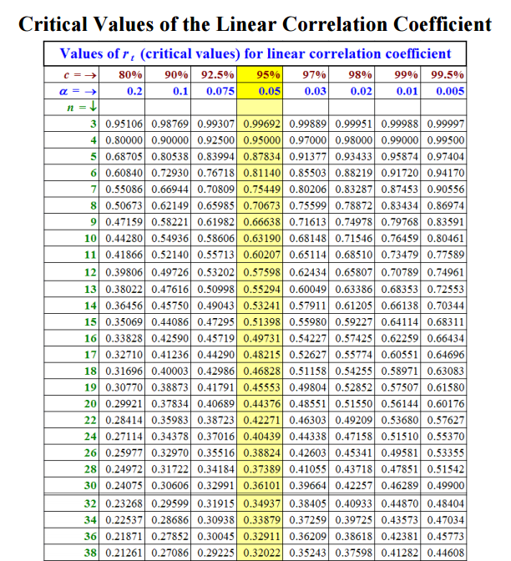
5 | 0 | 25 | 0 | 625 | 0
6 | 4 | 38 | 16 | 1444 | 152
7 | 0 | 28 | 0 | 784 | 0
8 | 10 | 39 | 100 | 1521 | 390
9 | 12 | 42 | 144 | 1764 | 504
10 | 18 | 44 | 324 | 1936 | 792
2 tailed test - NO APRIORI knowledge!
Sums = | 98 | 376 | 1396 | 14596 | 4090
Pearson Correlation Coefficient, r = | 0.9068
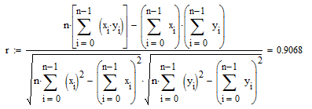

Example 1 - Line of Best Fit
Tutoring Sessions vs. Grades
n | X - Number of Tutoring Sessions | Y - Exam Grade (out of 50) | x2 | y2 | x*y
1 | 18 | 42 | 324 | 1764 | 756
2 | 6 | 31 | 36 | 961 | 186
3 | 16 | 46 | 256 | 2116 | 736
4 | 14 | 41 | 196 | 1681 | 574
5 | 0 | 25 | 0 | 625 | 0
6 | 4 | 38 | 16 | 1444 | 152
7 | 0 | 28 | 0 | 784 | 0
8 | 10 | 39 | 100 | 1521 | 390
9 | 12 | 42 | 144 | 1764 | 504
10 | 18 | 44 | 324 | 1936 | 792
Sums = | 98 | 376 | 1396 | 14596 | 4090

